Services
Website Quote
Name:
Contact Details :
Location/Address:
Preferred Dates :
Car Valet
Item | Picture | Unit Price | Quantity | Total Price
Full Car Valet(car seat cleaing , leather treatment, roof cleaning and exterior cleaning) | 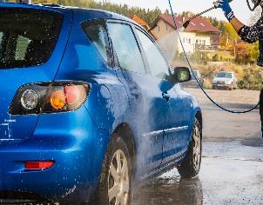 | R575.00 |  | R-
 |  |  | Total | R-

Complete and email to info@wecleanitall.co.za include your name, address, contact number and two preferred cleaning dates

